Results
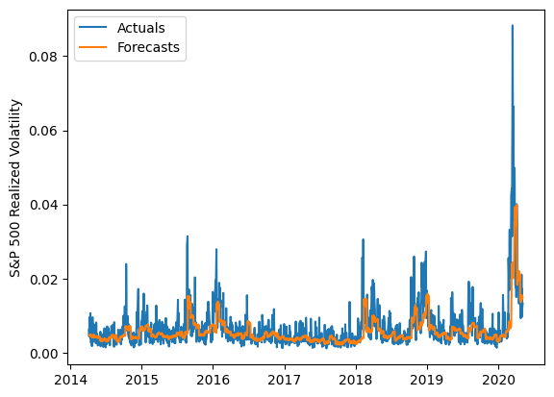
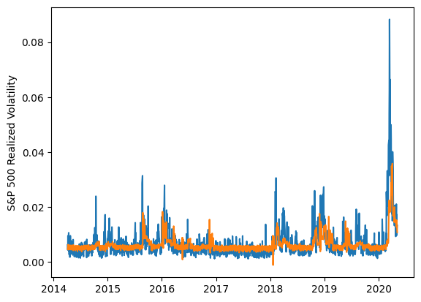
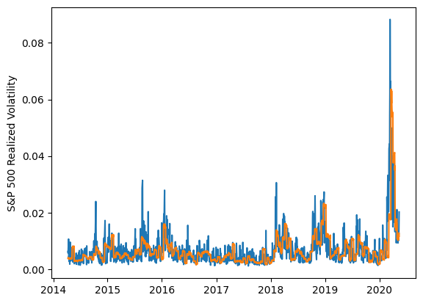
 | LSTM |  |  | TCN |  |  | NBEATSx |  |  |  |  | LSTM |  |  | TCN |  |  | NBEATSx
 | Accuracy | RMSE | Qlike | Accuracy | RMSE | Qlike | Accuracy | RMSE | Qlike |  |  | Accuracy | RMSE | Qlike | Accuracy | RMSE | Qlike | Accuracy | RMSE | Qlike
Trial 1 | 61.25% | 0.0026316219475 | 0.14798024737 | 39.31% | 0.0030948608457 | 0.21076656884 | 54.57% | 0.0029112163275 | 0.16991314075 |  | Mean | 54.42% | 0.273% | 0.141 | 42.14% | 0.301% | 0.196 | 53.57% | 0.295% | 0.170
Trial 2 | 56.17% | 0.0027575370619 | 0.14011494084 | 39.66% | 0.0030619268898 | 0.20979885941 | 54.12% | 0.0029245741196 | 0.16044351282 |  | Standard Deviation | 6.10% | 0.011% | 0.013 | 4.07% | 0.010% | 0.019 | 0.48% | 0.002% | 0.004
Trial 3 | 56.10% | 0.0026762235032 | 0.13364179351 | 35.28% | 0.0031889366193 | 0.2290017301 | 53.76% | 0.0029333686531 | 0.16880263153 |  | 95% CI upper bound | 66.61% | 0.295% | 0.168 | 50.29% | 0.322% | 0.234 | 54.54% | 0.300% | 0.178
Trial 4 | 56.11% | 0.0026819284253 | 0.13494587716 | 40.51% | 0.0030573847429 | 0.20505236583 | 53.54% | 0.0029521490019 | 0.16910028174 |  | 95% CI lower bound | 42.23% | 0.252% | 0.115 | 34.00% | 0.281% | 0.159 | 52.61% | 0.291% | 0.162
Trial 5 | 40.14% | 0.0030165916461 | 0.1407195352 | 43.45% | 0.0030184013143 | 0.18725446315 | 53.01% | 0.0029679633478 | 0.16831650264 |  | 99.7% CI upper bound | 72.71% | 0.305% | 0.181 | 54.37% | 0.332% | 0.253 | 55.02% | 0.302% | 0.182
Trial 6 | 60.82% | 0.00268058314 | 0.16157304742 | 44.04% | 0.0029554107888 | 0.18668565796 | 53.91% | 0.0029440341469 | 0.17350298969 |  | 99.7% CI lower bound | 36.13% | 0.242% | 0.101 | 29.92% | 0.270% | 0.140 | 52.12% | 0.289% | 0.157
Trial 7 | 57.57% | 0.0026298633828 | 0.13274310746 | 40.32% | 0.0030510405583 | 0.20498914289 | 53.42% | 0.002947382935 | 0.16799584758
Trial 8 | 51.09% | 0.002753257194 | 0.12998562996 | 41.93% | 0.0030586310934 | 0.19972926645 | 53.89% | 0.0029492518506 | 0.1776784873
Trial 9 | 51.16% | 0.0027437468786 | 0.13004759595 | 45.42% | 0.0028867153912 | 0.18208730163 | 53.04% | 0.0029705349163 | 0.16981846111
Trial 10 | 43.60% | 0.0029260876944 | 0.1361358158 | 37.76% | 0.0031122421084 | 0.21711482792 | 53.97% | 0.002937446851 | 0.17220074397
Trial 11 | 57.27% | 0.0026592420344 | 0.13826805981 | 41.34% | 0.0030171976339 | 0.19740604982 | 53.72% | 0.002965665937 | 0.17337229605
Trial 12 | 51.98% | 0.0027177057292 | 0.13365966116 | 38.55% | 0.0030783583563 | 0.20988635821 | 53.51% | 0.0029617025696 | 0.16960836308
Trial 13 | 59.62% | 0.0026825440658 | 0.1489924783 | 50.13% | 0.0028068034343 | 0.16096794774 | 52.82% | 0.0029919811813 | 0.16874680528
Trial 14 | 53.59% | 0.0027079525221 | 0.13134022308 | 46.65% | 0.0028948751655 | 0.17432148814 | 53.17% | 0.0029437619015 | 0.16372296034
Trial 15 | 59.85% | 0.0027381714363 | 0.17805814263 | 47.82% | 0.0028954933764 | 0.17132686709 | 53.14% | 0.0029882892231 | 0.17263916154

 | LSTM (best trial) |  |  |  |  |  |  |  |  | TCN (best trial) |  |  |  |  |  |  |  |  | NBEATSx (best trial)

